overall
Usual residence 1 year ago | Persons
Same Address | 12645
Elsewhere in County | 1233
Elsewhere in Ireland | 313
Outside Ireland | 798
Total | 14989
Number of cars | 3877

Means of Travel | Work | School or College | Total | % | % Work | % School or College | Means of Travel | % Work | % School or College | %
On foot | 1775 | 913 | 2688 | 26.0 | 22.3 | 38.3 | On foot | 22.3 | 38.3 | 26.0
Bicycle | 1140 | 243 | 1383 | 13.4 | 14.3 | 10.2 | Bicycle | 14.3 | 10.2 | 13.4
Bus, minibus or coach | 1102 | 453 | 1555 | 15.0 | 13.8 | 19.0 | Bus, minibus or coach | 13.8 | 19.0 | 15.0
Train, DART or LUAS | 1042 | 184 | 1226 | 11.8 | 13.1 | 7.7 | Train, DART or LUAS | 13.1 | 7.7 | 11.8 | 66.2
Motorcycle or scooter | 35 | 0 | 35 | 0.3 | 0.4 | 0.0 | Motorcycle or scooter | 0.4 | 0.0 | 0.3
Car driver | 1832 | 56 | 1888 | 18.2 | 23.0 | 2.3 | Car driver | 23.0 | 2.3 | 18.2
Car passenger | 137 | 384 | 521 | 5.0 | 1.7 | 16.1 | Car passenger | 1.7 | 16.1 | 5.0
Van | 75 | 0 | 75 | 0.7 | 0.9 | 0.0 | Van | 0.9 | 0.0 | 0.7
Other (incl. lorry) | 6 | 0 | 6 | 0.1 | 0.1 | 0.0 | Other (incl. lorry) | 0.1 | 0.0 | 0.1
Work mainly at or from home | 135 | 3 | 138 | 1.3 | 1.7 | 0.1 | Work mainly at or from home | 1.7 | 0.1 | 1.3 |  |  | Total Pop | 14989
Not stated | 681 | 150 | 831 | 8.0 | 8.6 | 6.3 | Not stated | 8.6 | 6.3 | 8.0 |  |  | Number of Houses | 6317
Total | 7960 | 2386 | 10346 | 100.0 | 100.0 | 100.0 | Total | 100.0 | 100.0 | 100.0 |  |  | Number of cars | 3877

Journey time | Persons | % |  |  |  |  | Journey time | %
Under 15 mins | 1504 | 14.7 |  |  |  |  | Under 15 mins | 14.7 |  |  |  |  | Under 15 mins | 14.7
1/4 hour - under 1/2 hour | 3488 | 34.2 |  |  |  |  | 1/4 hour - under 1/2 hour | 34.2 |  |  |  |  | Under 30 mins | 48.9
1/2 hour - under 3/4 hour | 2688 | 26.3 |  |  |  |  | 1/2 hour - under 3/4 hour | 26.3 |  |  |  |  | under 45mins | 75.2
3/4 hour - under 1 hour | 786 | 7.7 |  |  |  |  | 3/4 hour - under 1 hour | 7.7
1 hour - under 1 1/2 hours | 576 | 5.6 |  |  |  |  | 1 hour - under 1 1/2 hours | 5.6
1 1/2 hours and over | 115 | 1.1 |  |  |  |  | 1 1/2 hours and over | 1.1
Not stated | 1051 | 10.3 |  |  |  |  | Not stated | 10.3
Total | 10208 | 100.0 |  |  |  |  | Total | 100.0

Motor cars | Households | % |  |  |  |  | Motor cars | %
No motor car | 2803 | 44.4 |  |  |  |  | No motor car | 44.4
One motor car | 2479 | 39.2 |  |  |  |  | One motor car | 39.2
Two motor cars | 580 | 9.2 |  |  |  |  | Two motor cars | 9.2
Three motor cars | 70 | 1.1 |  |  |  |  | Three motor cars | 1.1
Four or more motor cars | 7 | 0.1 |  |  |  |  | Four or more motor cars | 0.1
Not stated | 378 | 6.0 |  |  |  |  | Not stated | 6.0
Total | 6317 | 100.0 |  |  |  |  | Total | 100.0

Number of cars | 3877
 | 3877

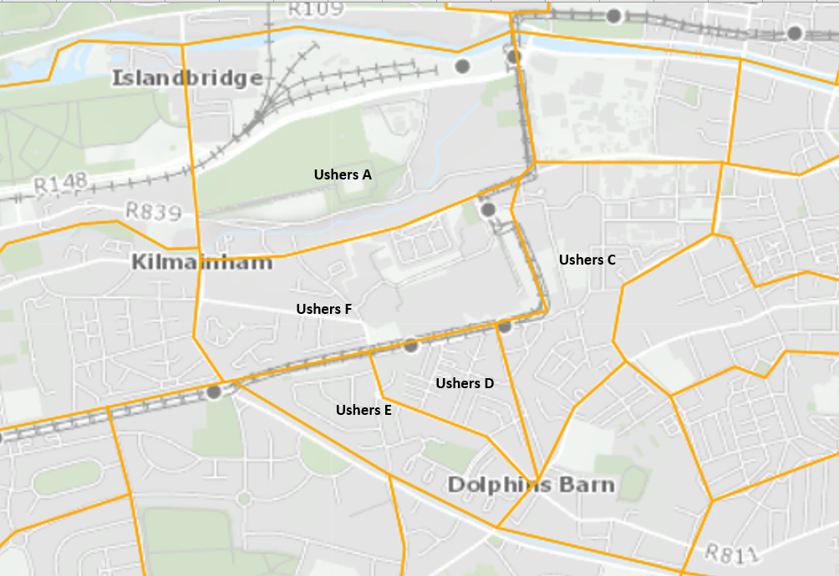
 |  |  |  |  |  |  | Journey Time % | Ushers F | Ushers E | Ushers D | Ushers C | UshersA | Total Area
 |  |  |  |  |  |  | Under 15mins | 13.6 | 20.7 | 16.5 | 16.6 | 10.8 | 14.7
 |  |  |  |  |  |  | Under 30mins | 47.9 | 56.2 | 50.8 | 51.8 | 43.4 | 48.9
 |  |  |  |  |  |  | Under 45 mins | 73.9 | 81.0 | 76.5 | 73.8 | 74.6 | 75.2

 |  |  |  |  |  |  | N | Ushers F | Ushers E | Ushers D | Ushers C | UshersA | Total Area
 |  |  |  |  |  |  | Number of cars | 956 | 480 | 539 | 779 | 1123 | 3877 | 3877
 |  |  |  |  |  |  | Number of Houses | 1234 | 789 | 976 | 1643 | 1675 | 6317 | 6317
 |  |  |  |  |  |  | Total Pop | 3404 | 1751 | 2131 | 3889 | 3814 | 14989 | 14989
 |  |  |  |  |  |  | houses with no cars | 32.2 | 48.9 | 46.3 | 53.7 | 40.9 | 44.4

 |  |  |  |  |  |  | Means of Travel % | Ushers F | Ushers E | Ushers D | Ushers C | UshersA | Total Area
 |  |  |  |  |  |  | On foot | 22.4 | 28.0 | 26.9 | 33.4 | 20.8 | 26.0
 |  |  |  |  |  |  | Bicycle | 15.7 | 11.4 | 14.0 | 11.4 | 13.9 | 13.4
 |  |  |  |  |  |  | Bus, minibus or coach | 13.2 | 15.7 | 12.7 | 13.0 | 18.9 | 15.0
 |  |  |  |  |  |  | Train, DART or LUAS | 8.6 | 10.6 | 11.9 | 9.9 | 16.2 | 11.8
 |  |  |  |  |  |  | Motorcycle or scooter | 0.4 | 0.3 | 0.1 | 0.4 | 0.4 | 0.3
 |  |  |  |  |  |  | Car driver | 20.3 | 20.2 | 17.4 | 14.5 | 19.8 | 18.2
 |  |  |  |  |  |  | Car passenger | 6.2 | 8.8 | 5.5 | 4.1 | 3.5 | 5.0
 |  |  |  |  |  |  | Van | 0.7 | 0.9 | 0.9 | 1.0 | 0.4 | 0.7
 |  |  |  |  |  |  | Other (incl. lorry) | 0.0 | 0.0 | 0.1 | 0.1 | 0.1 | 0.1
 |  |  |  |  |  |  | Work mainly at or from home | 2.0 | 1.0 | 1.4 | 0.9 | 1.4 | 1.3
 |  |  |  |  |  |  | Not stated | 10.7 | 3.0 | 9.2 | 11.3 | 4.7 | 8.0
 |  |  |  |  |  |  | Total | 100.0 | 100.0 | 100.0 | 100.0 | 100.0 | 100.0

 |  |  |  |  |  |  | % | Ushers F | Ushers E | Ushers D | UshersC | UshersA | Total Area
 |  |  |  |  |  |  | Sustainable Travel | 59.8 | 65.8 | 65.5 | 67.6 | 69.9 | 66.2
 |  |  |  |  |  |  | houses with no cars | 32.2 | 48.9 | 46.3 | 53.7 | 40.9 | 44.4
 |  |  |  |  |  |  | Journey time under 30mins | 47.9 | 56.2 | 50.8 | 51.8 | 43.4 | 48.9
 |  |  |  |  |  |  | CSO 2016

 |  |  |  |  |  |  |  |  |  |  |  | 2014 | Staff | Staff Cars Survey | Current Baseline | Target | Trarget 2028
 |  |  |  |  |  |  |  |  |  |  |  | St James's (part) | 4500 | 2565 | 2430 | 1215 | 765
 |  |  |  |  |  |  |  |  |  |  |  | NCH | 3000 | 1710 | 1620 | 810 | 510
 |  |  |  |  |  |  |  |  |  |  |  | N Maternity H | ?

 |  |  |  |  |  |  |  |  |  |  |  | St James's Campus car parking capacity
 |  |  |  |  |  |  |  |  |  |  |  |  |  | 2000

 |  |  |  | The existing St James’s Adult Hospital (excluding Trinity College, Irish Blood Transfusion Service, and the Private Clinic) currently employs approximately 4,500 staff with approximately 3,000 staff working core weekday hours.
 |  |  |  | The new children’s hospital and its satellite centres will employ approximately 3,200 staff with approximately 3,000 staff based on the St James’s Hospital campus.

